Sheet1
 | Populate a table in the DOM

Lesson | Requirement | What to do?
 | You're tasked with analyzing the current trends shaping people's lives, as well as creating charts, graphs, and interactive elements to help readers understand your findings.
 | The editor wants to run a series of feature stories about the health risks facing particular demographics. She's counting on you to sniff out the first story idea by sifting through information from the U.S. Census Bureau and the Behavioral Risk Factor Surveillance System.
 | The data set included with the assignment is based on 2014 ACS 1-year estimates: https://factfinder.census.gov/faces/nav/jsf/pages/searchresults.xhtml, but you are free to investigate a different data set. The current data set incldes data on rates of income, obesity, poverty, etc. by state. MOE stands for "margin of error."
 | Level 1: D3 Dabbler
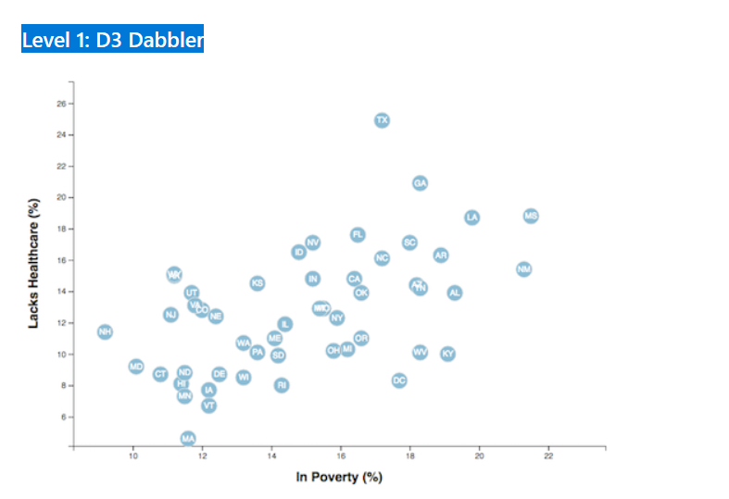

 | You need to create a scatter plot between two of the data variables such as Healthcare vs. Poverty or Smokers vs. Age.
 | Using the D3 techniques we taught you in class, create a scatter plot that represents each state with circle elements. You'll code this graphic in the app.js file of your homework directory—make sure you pull in the data from data.csv by using the d3.csv function. Your scatter plot should ultimately appear like the image at the top of this section. | Day 2 Activity 1, 2
 | Include state abbreviations in the circles. Create and situate your axes and labels to the left and bottom of the chart. Note: You'll need to use python -m http.server to run the visualization. This will host the page at localhost:8000 in your web browser. | Day 3 activity 3

